Pre rolls
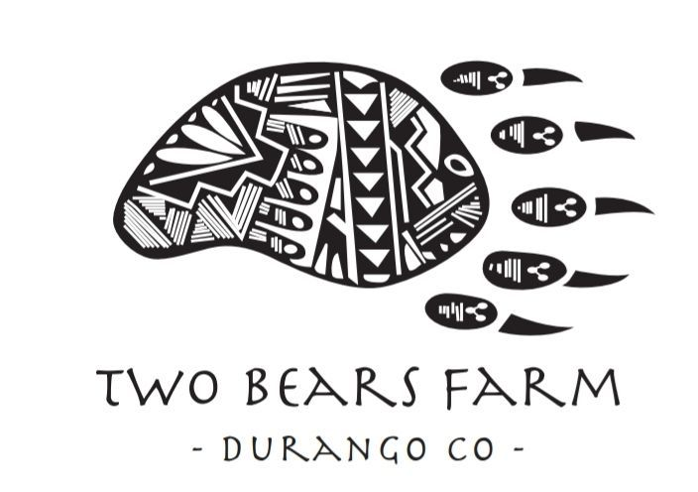

Item# | Product Type/Description | Pack | Price |  | SRP |  | Margin |  |  |  | Unit | Display Case | Master Case | Unit | Display Case | Master Case | Case Cube | Ti/Hi
 |  | Size | Unit | 5 Pack | Unit | 5 Pack | Unit | 5 Pack | Unit % | 5 Pack % | UPsdxC | GTIN | GTIN | Dimensions (H x W x D) | Dimensions (H x W x D) | Dimensions (H x W x D)
 | Pre-Rolls (MOQ 251+) 5 Pack (MOQ 31+)
 | The Wife 15% CBD (Hybrid) | 1.1 Gram | $2.00 | $8.00 | $7.99 | $19.99 | $4.99 | $11.99 | 62% | 60%
 | T1 Space Candy 15.1% CBD (Indica) | 1.1 Gram | $2.00 | $8.00 | $7.99 | $19.99 | $4.99 | $11.99 | 62% | 60%
 | Trophy Wife 15.4% CBD (Sativa) | 1.1 Gram | $2.00 | $8.00 | $7.99 | $19.99 | $4.99 | $11.99 | 62% | 60%
 | Spectrum 15.4% CBD (Sativa) | 1.1 Gram | $2.00 | $8.00 | $7.99 | $19.99 | $4.99 | $11.99 | 62% | 60% |  |  |  |  |  |  |  | 10/2
 | Silver Haze 15.4% CBD (Sativa) | 1.1 Gram | $2.00 | $8.00 | $7.99 | $19.99 | $4.99 | $11.99 | 62% | 60%
 | Cat's Meow 16.3% CBD (Indica) | 1.1 Gram | $2.00 | $8.00 | $7.99 | $19.99 | $4.99 | $11.99 | 62% | 60%
 | Tokyo Berry Blossom 16.9% CBD (Hybrid) | 1.1 Gram | $2.00 | $8.00 | $7.99 | $19.99 | $4.99 | $11.99 | 62% | 60%
 | Berry Blossom 17.1% CBD (Indica) | 1.1 Gram | $2.00 | $8.00 | $7.99 | $19.99 | $4.99 | $11.99 | 62% | 60%
 | T1 Cherry Wine 17.6% CBD (Indica) | 1.1 Gram | $2.00 | $8.00 | $7.99 | $19.99 | $4.99 | $11.99 | 62% | 60%
 | PM Berry Blossom 20.7% CBD (Indica) | 1.1 Gram | $2.00 | $8.00 | $7.99 | $19.99 | $4.99 | $11.99 | 62% | 60%
 | T1 Berry Blossom 13.4% CBD (Indica) | 1.1 Gram | $2.00 | $8.00 | $7.99 | $19.99 | $4.99 | $11.99 | 62% | 60% |  |  |  |  |  |  |  | 10/2
 | Trump 1 (T1) 12.2% CBD (Indica) | 1.1 Gram | $2.00 | $8.00 | $7.99 | $19.99 | $4.99 | $11.99 | 62% | 60%
 | Hot Blonde 11.2% CBD (Indica) | 1.1 Gram | $2.00 | $8.00 | $7.99 | $19.99 | $4.99 | $11.99 | 62% | 60%
 | Queen Dream 7.6% CBD (Sativa) | 1.1 Gram | $2.00 | $8.00 | $7.99 | $19.99 | $4.99 | $11.99 | 62% | 60%
 | High Tech CBG 8% CBG (Sativa) | 1.1 Gram | $1.50 | $7.50 | $7.99 | $19.99 | $4.99 | $12.49 | 62% | 62%
 | Lavender & Cherry Blossom 6.33% | 1.1 Gram | $1.50 | $7.50 | $7.99 | $19.99 | $5.99 | $12.49 | 75% | 62% |  |  |  |  |  |  |  | 10/2
 | White Sage & Cherry Blossom 6.1% | 1.1 Gram | $1.50 | $7.50 | $7.99 | $19.99 | $5.99 | $12.49 | 75% | 62% |  |  |  |  |  |  |  | 10/2
 | Peppermint & Cherry Blossom 7.27% | 1.1 Gram | $1.50 | $7.50 | $7.99 | $19.99 | $5.99 | $12.49 | 75% | 62%
 | Clove & Cherry Blossom 9.17% | 1.1 Gram | $1.50 | $7.50 | $7.99 | $19.99 | $5.99 | $12.49 | 75% | 62%
 | Cherry Blossom 12.89% | 1.1 Gram | $1.50 | $7.50 | $7.99 | $19.99 | $5.99 | $12.49 | 75% | 62%
 | Cherry Wine 13.7% | 1.1 Gram | $1.50 | $7.50 | $7.99 | $19.99 | $5.99 | $12.49 | 75% | 62%

 |  | Pack | Price |  | SRP |  | Margin
 | Pre-Rolls (MOQ 1-250) 5 Pack (MOQ 1-30) | Size | Unit | 5 Pack | Unit | 5 Pack | Unit | 5 Pack | Unit % | 5 Pack %
 | The Wife 15% CBD (Hybrid) | 1.1 Gram | $3.00 | $10.00 | $7.99 | $19.99 | $4.99 | $9.99 | 62% | 50% |  |  |  |  |  |  |  | 10/2
 | T1 Space Candy 15.1% CBD (Indica) | 1.1 Gram | $3.00 | $10.00 | $7.99 | $19.99 | $4.99 | $9.99 | 62% | 50% |  |  |  |  |  |  |  | 10/2
 | Trophy Wife 15.4% CBD (Sativa) | 1.1 Gram | $3.00 | $10.00 | $7.99 | $19.99 | $4.99 | $9.99 | 62% | 50% |  |  |  |  |  |  |  | 10/2
 | Spectrum 15.4% CBD (Sativa) | 1.1 Gram | $3.00 | $10.00 | $7.99 | $19.99 | $4.99 | $9.99 | 62% | 50%
 | Silver Haze 15.4% CBD (Sativa) | 1.1 Gram | $3.00 | $10.00 | $7.99 | $19.99 | $4.99 | $9.99 | 62% | 50%
 | Cat's Meow 16.3% CBD (Indica) | 1.1 Gram | $3.00 | $10.00 | $7.99 | $19.99 | $4.99 | $9.99 | 62% | 50%
 | Tokyo Berry Blossom 16.9% CBD (Hybrid) | 1.1 Gram | $3.00 | $10.00 | $7.99 | $19.99 | $4.99 | $9.99 | 62% | 50%
 | Berry Blossom 17.1% CBD (Indica) | 1.1 Gram | $3.00 | $10.00 | $7.99 | $19.99 | $4.99 | $9.99 | 62% | 50%
 | T1 Cherry Wine 17.6% CBD (Indica) | 1.1 Gram | $3.00 | $10.00 | $7.99 | $19.99 | $4.99 | $9.99 | 62% | 50% |  |  |  |  |  |  |  | 10/2
 | PM Berry Blossom 20.7% CBD (Indica) | 1.1 Gram | $3.00 | $10.00 | $7.99 | $19.99 | $4.99 | $9.99 | 62% | 50% |  |  |  |  |  |  |  | 10/2
 | T1 Berry Blossom 13.4% CBD (Indica) | 1.1 Gram | $3.00 | $10.00 | $7.99 | $19.99 | $4.99 | $9.99 | 62% | 50% |  |  |  |  |  |  |  | 10/2
 | Trump 1 (T1) 12.2% CBD (Indica) | 1.1 Gram | $3.00 | $10.00 | $7.99 | $19.99 | $4.99 | $9.99 | 62% | 50%
 | Hot Blonde 11.2% CBD (Indica) | 1.1 Gram | $3.00 | $10.00 | $7.99 | $19.99 | $4.99 | $9.99 | 62% | 50%
 | Queen Dream 7.6% CBD (Sativa) | 1.1 Gram | $3.00 | $10.00 | $7.99 | $19.99 | $4.99 | $9.99 | 62% | 50%
 | High Tech CBG 8% CBG (Sativa) | 1.1 Gram | $2.00 | $8.00 | $7.99 | $19.99 | $4.99 | $11.99 | 62% | 60%
 | Lavender & Cherry Blossom 6.33% | 1.1 Gram | $2.00 | $8.00 | $7.99 | $19.99 | $4.99 | $11.99 | 62% | 60%
 | White Sage & Cherry Blossom 6.1% | 1.1 Gram | $2.00 | $8.00 | $7.99 | $19.99 | $4.99 | $11.99 | 62% | 60%
 | Peppermint & Cherry Blossom 7.27% | 1.1 Gram | $2.00 | $8.00 | $7.99 | $19.99 | $4.99 | $11.99 | 62% | 60%
 | Clove & Cherry Blossom 9.17% | 1.1 Gram | $2.00 | $8.00 | $7.99 | $19.99 | $4.99 | $11.99 | 62% | 60%
 | Cherry Blossom 12.89% | 1.1 Gram | $2.00 | $8.00 | $7.99 | $19.99 | $4.99 | $11.99 | 62% | 60%
 | Cherry Wine 13.7% | 1.1 Gram | $2.00 | $8.00 | $7.99 | $19.99 | $4.99 | $11.99 | 62% | 60%

